Statistical Insights
 | 1st Moment |  |  | 2nd Moment |  |  | 3rd moment |  |  | 4th moment |  |  | Graphical Representation
 |  |  |  |  |  |  |  |  |  |  |  |  | Univariate |  |  |  |  |  | Bivariate |  |  | Multivariate
Column Names | mean/median/mode | Statistical Insight | Data Preprocessing | variance/stdev/range | Statistical Insight | Data Preprocessing | Skewness | Statistical Insight | Data Preprocessing | Kurtosis | Statistical Insight | Data Preprocessing | Histogram | Statistical Insight | Data Preprocessing | Boxplot | Statistical Insight | Data Preprocessing | Scatter plot (2 columns are continuous)/other Discrete data plots | Statistical Insight | Data Preprocessing | Multivariate | Statistical Insight | Data Preprocessing
max_capacity_hrs | Mean: 15.70 Median: 18.90 Mode: 18.00 | Equipment capacity averages 16 hours, with most equipment operating close to full capacity. | Acceptable as is; values are standardized and show minimal practical variation. | Variance: 13.08 Stdev: 3.62 Range: 8.00 | Capacity is consistent across equipment, with moderate variation reflecting standardized operational limits. | Acceptable as is; moderate variability reflects normal differences in equipment capacity. | Skewness:13.08 | Highly right-skewed, with most values concentrated at higher capacity levels.l. | Log transformation may reduce strong positive skew. | Kurtosis: -1.11 | Flat distribution with fewer extreme values than normal. | Acceptable as is; no kurtosis-related adjustment needed. | 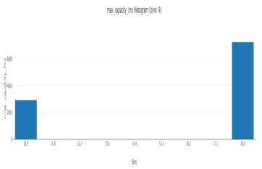 | Most patients undergo few procedures, with only a small number requiring many procedures. | Data was cleaned by handling missing values, duplicates, and outliers. | 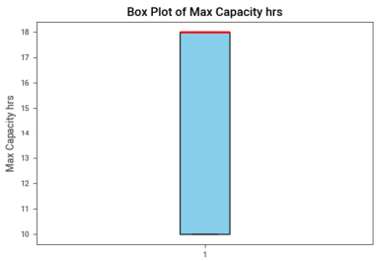 | Standardized capacity | Standardized capacity | 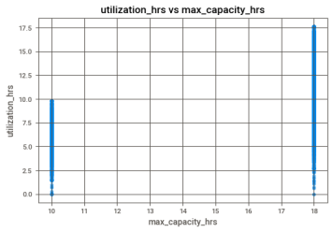 | Higher capacity, higher usage | Data cleaned | 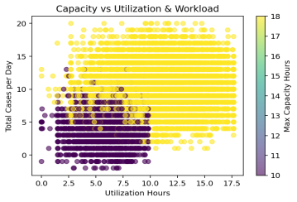 | Severity rises with age | Binarize readmission; handle skew in severity.
utilization_hrs | Mean: 9.56 Median: 9.39 Mode: 17.64 | Equipment is used about 9.5 hours daily, with occasional peak usage days. | Log transform may help reduce right skew caused by peak utilization days. | Variance: 14.26 Stdev: 3.78 Range: 17.64 | Daily utilization varies notably, indicating fluctuating patient demand and occasional peak workload days. | Log transformation may help reduce wide range and variability from peak usage days. | Skewness: 14.26 | Strong positive skew indicates occasional extreme utilization days. | Log or square-root transformation recommended. | Kurtosis: -0.81 | Slightly flat distribution indicating evenly spread utilization values. | No preprocessing required for kurtosis. |  | Most patients stay around the middle range, with fewer very short or long stays. | Data cleaned by removing errors and handling outliers. |  | Moderate utilization | Outliers controlled |  | Positive trend expected; higher severity often results in longer stays. | Normalize both variables for modeling; treat high-severity outliers. |  | Long stays with many procedures align with high severity. | Scale variables; cap outliers in procedures.
utilization_pct | Mean: 0.60 Median: 0.62 Mode: 0.64 | Equipment operates at approximately 61% capacity, showing stable and consistent utilization. | No preprocessing needed; values are bounded and evenly distributed. | Variance: 0.04 Stdev: 0.19 Range: 0.91 | Utilization percentage remains stable, showing balanced and efficient equipment usage. | No preprocessing needed; low variance indicates stable and bounded utilization values. | Skewness: 0.04 | Nearly symmetric distribution with minimal skewness. | Acceptable as is; no transformation needed. | Kurtosis: -0.40 | Mildly platykurtic distribution with balanced utilization spread. | Acceptable as is; no transformation needed. | 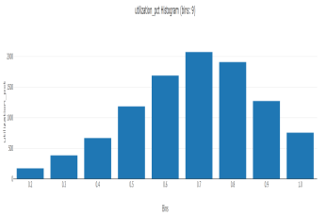 | Length of stay is highest in the middle range, with fewer extreme values. | Data cleaned by handling missing values and outliers. |  | Stable utilization | Outliers controlled |  | Repeated admissions may result in longer stays due to complications. | Cap high prior admission counts to reduce skew. | 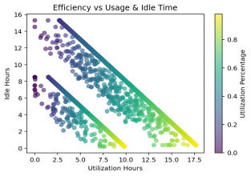 | Chronic elderly patients drive repeat costs. | Standardize cost and age for modeling.
idle_hrs | Mean: 6.01 Median: 5.59 Mode: 0.36 | Equipment remains idle for around 6 hours daily, varying with patient demand. | May benefit from binning into low, medium, and high idle categories. | Variance: 10.69 Stdev: 3.27 Range: 14.81 | Idle hours vary across days, suggesting opportunities for improved scheduling efficiency. | Binning into low, medium, and high idle hours may improve interpretability.. | Skewness:10.69 | Positively skewed due to occasional high idle-time days. | Binning or log transformation may help. | Kurtosis: 0.25 | Slightly flat distribution with limited extreme idle values. | No preprocessing required. |  | Most patients are younger, with fewer older patients. | Data cleaned by removing missing values and outliers. | 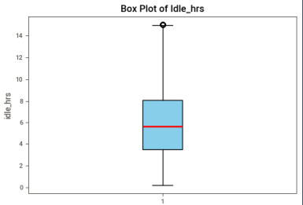 | Variable idle | Outliers handled |  | Positive correlation; complex cases tend to have high severity and more diagnoses. | Check for multicollinearity; group similar diagnosis profiles. | 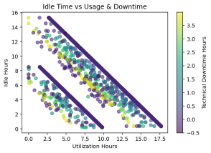 | High-diagnosis, high-procedure clusters are most severe. | Feature engineer severity groupings.
technical_downtime_hrs | Mean: 0.0 Median: 0.0 Mode: 0.0 | No technical downtime recorded, indicating reliable equipment performance. | Acceptable as is; constant values require no preprocessing. | Variance: 0.00 Stdev: 0.00 Range: 0.00 | No technical downtime observed, indicating reliable equipment performance. | No preprocessing required; zero variance indicates constant values. | Skewness: 0.00 | No skewness observed; values are constant. | No preprocessing required. | Kurtosis: 0.00 | Zero kurtosis due to constant values across observations. | No preprocessing required. |  | Most patients have similar severity scores, with little variation. | data was cleaned and validated for consistency. |  | No downtime | Data validated |  | Higher number of diagnoses correlates with increased cost. | Log-transform cost for linear modeling. | 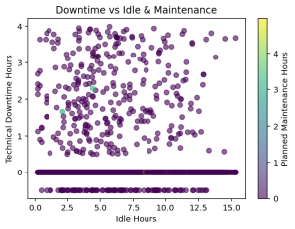 | Complexity drives procedures and length of stay. | Normalize count variables.
planned_maintenance_hrs | Mean: 0.0 Median: 0.0 Mode: 0.0 | No daily planned maintenance hours are recorded in the dataset. | No preprocessing required due to absence of recorded values. | Variance: 0.00 Stdev: 0.00 Range: 0.00 | Planned maintenance is not recorded at the daily operational level. | Acceptable as is; absence of variability requires no transformation | Skewness: 0.00 | Distribution shows no skewness with constant zero values. | Acceptable as is; no transformation needed. | Kurtosis: 0.00 | Constant distribution with no extreme values present. | Acceptable as is. | 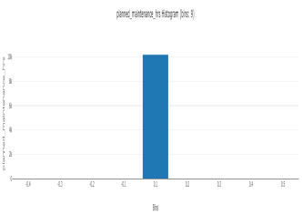 | Most patients have a similar number of diagnoses, with very little variation. | Data cleaned and checked for consistency. | 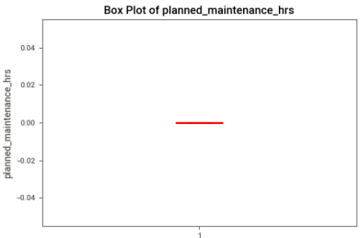 | No maintenance | Data validated |  | More procedures → longer hospitalization. | Winsorize length of stay for extreme surgery cases. | 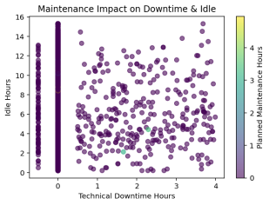 | Older patients with many diagnoses have shorter admission gaps. | Log-transform skewed time intervals.
workflow_delay_events | Mean: 0.0 Median: 0.0 Mode: 0.0 | Workflow delays are not observed, suggesting smooth laboratory operations | Acceptable as is; can also be treated as binary if needed. | Variance: 0.00 Stdev: 0.00 Range: 0.00 | Workflow delays are absent, indicating smooth laboratory operations. | No preprocessing needed; constant zero values across records. | Skewness: 0.00 | No skewness due to absence of recorded delay events. | Can be treated as binary or ignored. | Kurtosis: 0.00 | No kurtosis observed due to uniform zero values. | Can be ignored or treated as binary.. |  | Most patients have a similar number of procedures. | Data cleaned and validated. |  | No delays | Data validated |  | Mixed trend; some high-cost patients still get readmitted. | Encode 'Readmitted'; remove cost outliers. |  | Costs rise with repeat admissions and severity. | Detect high-cost chronic outliers.
avg_delay_minutes | Mean: 0.0 Median: 0.0 Mode: 0.0 | No average delay minutes recorded, indicating minimal operational delays. | No preprocessing required; values are consistently zero. | Variance: 0.00 Stdev: 0.00 Range: 0.00 | No average delays recorded, suggesting efficient daily workflows. | No preprocessing required due to zero variance and range. | Skewness: 0.00 | No skewness; all observations are zero. | No preprocessing required. | Kurtosis: 0.00 | Constant distribution with no variability or extreme values. | No preprocessing required. | 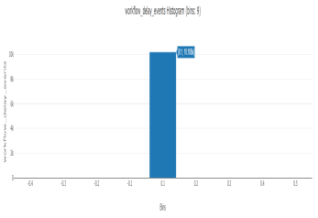 | Most patients have similar procedure counts. | Data cleaned and verified. | 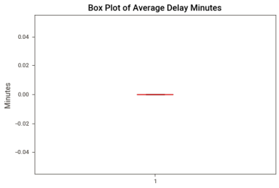 | No delays | Data validated |  | Patients with recent admissions are more likely to be readmitted. | Normalize 'Days Since Last Admission'; convert 'Readmitted' to categorical. | 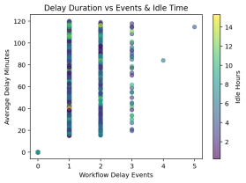 | Recent admissions correlate with longer stays and high readmission. | Bin time intervals; encode readmission.
total_cases_day_lab | Mean: 8.47 Median: 8.0 Mode: 9 | Labs handle about 8 to 9 cases daily, with occasional high-volume days. | Normalization or bucketing may help for modeling workload intensity. | Variance: 17.24 Stdev: 4.15 Range: 22.00 | Daily case volume varies, with occasional high-demand days impacting workload. | Normalization or bucketing may help handle high variability and wide workload range. | Skewness: 17.24 | Highly positively skewed, reflecting occasional high patient-volume days. | Normalization or log transformation may help. | Kurtosis: -0.55 | Slightly flat distribution with moderate spread of daily workloads. | Normalization may help for modeling. | 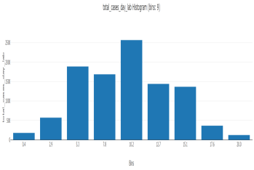 | Most patients have moderate hospital costs, with fewer very low or high costs. | Data cleaned by handling missing values and outliers. | 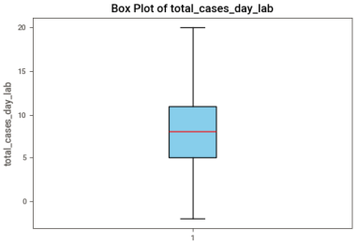 | Moderate workload | Outliers controlled | 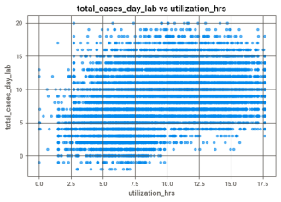 |  |  | 